Decision Tree Analysis
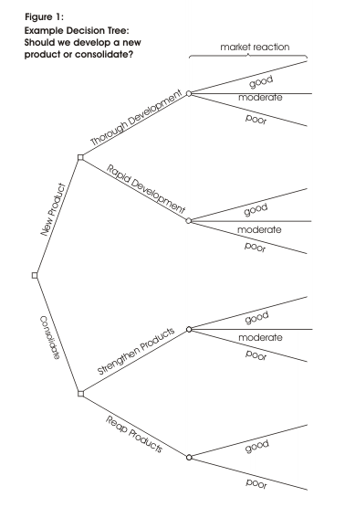
Decision Tree Analysis

Risks,Assumptions, Dependencies, Issues and Constraints
<< Please put the Risks, assumptions , dependencies if any, constraints, issues that may be arising for the solution selected under which the Project is to be Executed >>

